Tabelle1
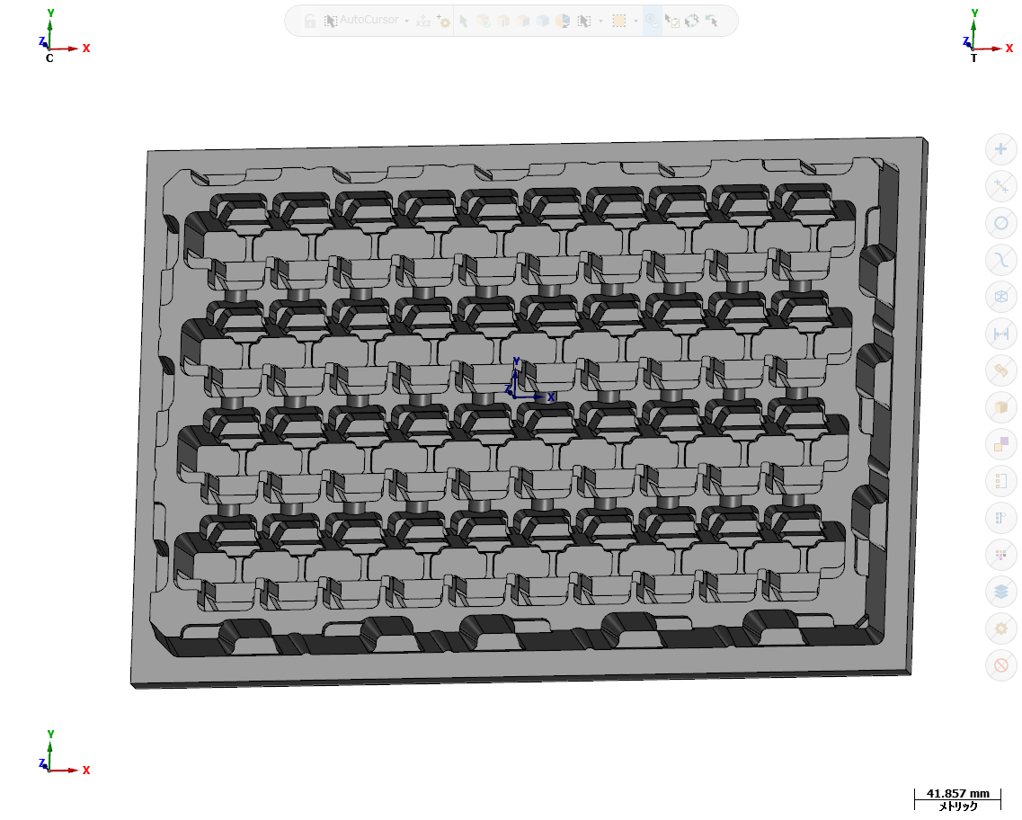
 |  |  |  |  |  |  | Date |  | 2026/05/20 - 9:12:26
 |  |  |  |  |  |  | MC-Filename |  | SMK-226 R1
 |  |  |  |  |  |  | Group comment |  | 385x265x40
 |  |  |  |  |  |  | Tray Material |  | PP0.6 A7 U7
 |  |  |  |  |  |  | Depth
 |  |  |  |  |  |  | Draft Angle °:
 |  |  |  |  |  |  | Under Depth
 |  |  |  |  |  |  | 機械: |  | 5080
 |  |  |  |  |  |  | Memo:
Op No. | Groupname | Operation type | Tl # | Tl diam. | Z-Min | Comment | Tl flutes | Stepdown | Tl name
1 | 1.bao12.3 385x265 | 輪郭 (2D) | 8 | 18 | -12.3 | 12.3 | 4 | 12.3 | 18. ENDMILL ROUGH
2 | 1.bao12.3 385x265 | 輪郭 (2D) | 9 | 25 | -12.3 | 12.3 | 4 | 12.3 | 25. ENDMILL FIN
3 | 1.bao12.3 385x265 | 輪郭 (2D 面取り) | 11 | 16 | -4.6 | 4.6-C0.6 | 2 | 0 | 16 / 45 CHAMFER MILL
4 | CD1.5 | G81/G82 ドリル/座ぐり | 11 | 16 | -1.5 | 1.5 | 2 |  | 16 / 45 CHAMFER MILL
5 | D4.2 | G73 切りくず除去 | 12 | 4.2 | -10 | 10 | 2 |  | 4.2 DRILL
6 | D4.2 | G73 切りくず除去 | 12 | 4.2 | -11.5 | 11.5 | 2 |  | 4.2 DRILL
7 | D4.2 | G73 切りくず除去 | 12 | 4.2 | -12 | 12 | 2 |  | 4.2 DRILL
8 | D4.2 | G73 切りくず除去 | 12 | 4.2 | -13 | 13 | 2 |  | 4.2 DRILL
9 | D4.2 | G73 切りくず除去 | 12 | 4.2 | -18.5 | 18.5 | 2 |  | 4.2 DRILL
10 | D4.2 | G73 切りくず除去 | 12 | 4.2 | -28 | 28 | 2 |  | 4.2 DRILL
11 | D4.2 | G73 切りくず除去 | 12 | 4.2 | -31 | 31 | 2 |  | 4.2 DRILL
12 | D4.2 | G73 切りくず除去 | 12 | 4.2 | -33 | 33 | 2 |  | 4.2 DRILL
13 | D4.2 | G73 切りくず除去 | 12 | 4.2 | -35 | 35 | 2 |  | 4.2 DRILL
14 | Ranh T13 | 輪郭 (2D) | 13 | 6 | -1.1 | 1.1 | 2 | 0 | 6. BALL ENDMILL
15 | Ranh 6 - Z2 | 輪郭 (2D) | 14 | 6 | -2 | Ranh Tam | 4 | 1 | 6. ENDMILL RANH
16 | Ranh 6 - Z2 | 輪郭 (2D) | 14 | 6 | -1.95 | Ranh to - R1.5 | 4 | 0 | 6. ENDMILL RANH
17 | Ranh 6 - Z2 | 輪郭 (2D 面取り) | 11 | 16 | -1.8 | Ranh C0.3 | 2 | 0 | 16 / 45 CHAMFER MILL
18 | Ren M5 - Z10/7 | G81/G82 ドリル/座ぐり | 11 | 16 | -2 | M5/CD2 | 2 |  | 16 / 45 CHAMFER MILL
19 | Ren M5 - Z10/7 | G83 ペックドリル | 12 | 4.2 | -10 | M5/D4.2-Z10 | 2 |  | 4.2 DRILL
20 | Ren M5 - Z10/7 | G81/G82 ドリル/座ぐり | 11 | 16 | -2.6 | M5-C0.3 | 2 |  | 16 / 45 CHAMFER MILL
21 | Ren M5 - Z10/7 | リジットタップ | 16 | 5 | -7 | M5-Z7 | 1 |  | 5.00-0.8 TAP RH
22 | 3. PHAY MAT - Z0.1 | 正面切削 | 10 | 50 | -0.1 | MEN0.1 | 3 | 0 | 50. FACE MILL

